Sheet1
Task #5 | Data Science & Business Analytics Tasks

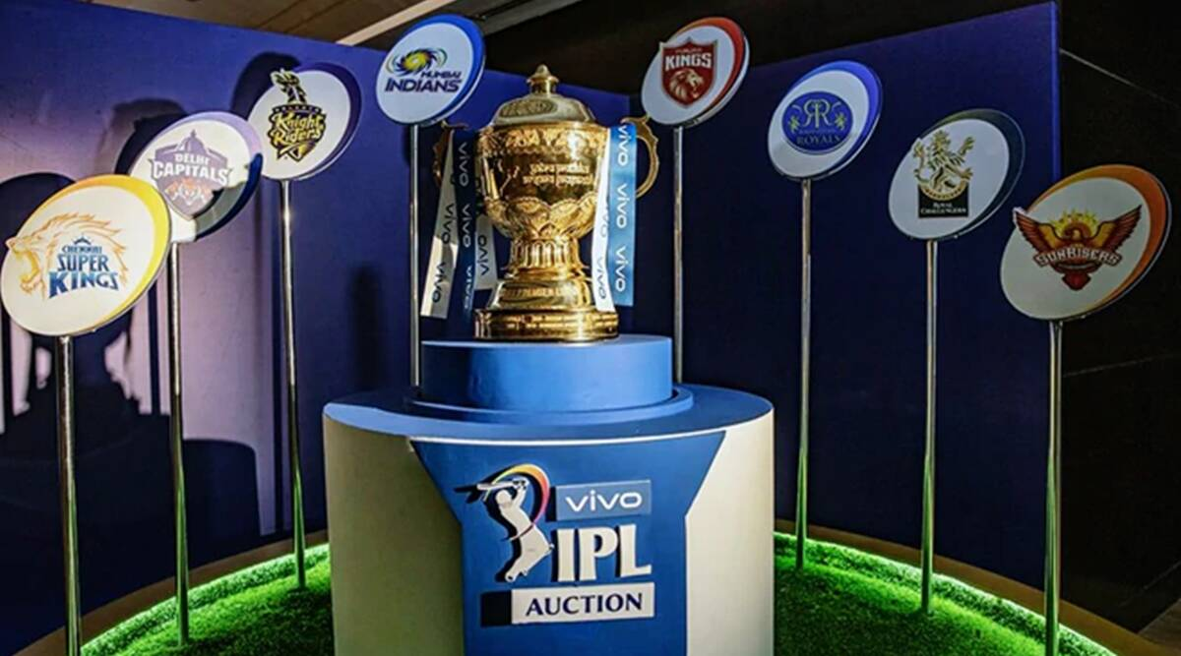
 |  | IPL DATA ANALYSIS

 |  | Made By

 |  | Shweta

Home Page
IPL DATASET ANALYSIS

ORIGINAL DATASET
CLEANED DATASET
OBJECTIVES
DASHBOARD

obj1
Row Labels | Count of player_of_match | OBJECTIVE 1: To find best player of IPL | These Players are best
A Mishra | 11
AB de Villiers | 20
Best player
AD Russell | 11 |  | For Brand Promotion
AM Rahane | 12
CH Gayle | 21
DA Warner | 17
DR Smith | 11
G Gambhir | 13
MEK Hussey | 12
MS Dhoni | 17 |  |  | Objective 2
RG Sharma | 17
SK Raina | 14
SR Watson | 15
V Kohli | 12
V Sehwag | 11
YK Pathan | 16
Grand Total | 230

 | Only Those players considered who have

 | Won Player of Match title more than 10 Times

obj2
Count of winner | Column Labels
Row Labels | Chennai Super Kings | Deccan Chargers | Delhi Capitals | Delhi Daredevils | Gujarat Lions | Kings XI Punjab | Kochi Tuskers Kerala | Kolkata Knight Riders | Mumbai Indians | Pune Warriors | Rajasthan Royals | Rising Pune Supergiant | Rising Pune Supergiants | Royal Challengers Bangalore | Sunrisers Hyderabad
2008 | 9 | 2 |  | 7 |  | 10 |  | 6 | 7 |  | 13 |  |  | 4
2009 | 8 | 9 |  | 10 |  | 7 |  | 3 | 5 |  | 6 |  |  | 9
2010 | 9 | 8 |  | 7 |  | 4 |  | 7 | 11 |  | 6 |  |  | 8
2011 | 11 | 6 |  | 4 |  | 7 | 6 | 8 | 10 | 4 | 6 |  |  | 10
2012 | 10 | 4 |  | 11 |  | 8 |  | 12 | 10 | 4 | 7 |  |  | 8
2013 | 12 |  |  | 3 |  | 8 |  | 6 | 13 | 4 | 11 |  |  | 9 | 10
2014 | 8 |  |  | 1 |  | 11 |  | 11 | 7 |  | 7 |  |  | 4 | 4
2015 | 10 |  |  | 5 |  | 3 |  | 7 | 10 |  | 7 |  |  | 8 | 7
2016 |  |  |  | 7 | 9 | 4 |  | 8 | 7 |  |  |  | 5 | 9 | 11
2017 |  |  |  | 6 | 4 | 7 |  | 9 | 12 |  |  | 10 |  | 2 | 8
2018 | 11 |  |  | 5 |  | 6 |  | 9 | 6 |  | 7 |  |  | 6 | 10
2019 | 10 |  | 9 |  |  | 6 |  | 6 | 11 |  | 5 |  |  | 5 | 6

 | OBJECTIVE 2: To find out most consistent team from 2008 to 2019
 |  |  |  |  |  |  |  |  |  |  |  |  |  | Most Consistent Teams

Matches won by team each year
 | Chennai Super Kings | Deccan Chargers | Delhi Capitals | Delhi Daredevils | Gujarat Lions | Kings XI Punjab | Kochi Tuskers Kerala | Kolkata Knight Riders | Mumbai Indians | Pune Warriors | Rajasthan Royals | Rising Pune Supergiant
2008 | 9 | 2 |  | 7 |  | 10 |  | 6 | 7 |  | 13
2009 | 8 | 9 |  | 10 |  | 7 |  | 3 | 5 |  | 6
2010 | 9 | 8 |  | 7 |  | 4 |  | 7 | 11 |  | 6
2011 | 11 | 6 |  | 4 |  | 7 | 6 | 8 | 10 | 4 | 6
2012 | 10 | 4 |  | 11 |  | 8 |  | 12 | 10 | 4 | 7
2013 | 12 |  |  | 3 |  | 8 |  | 6 | 13 | 4 | 11
2014 | 8 |  |  | 1 |  | 11 |  | 11 | 7 |  | 7
2015 | 10 |  |  | 5 |  | 3 |  | 7 | 10 |  | 7
2016 |  |  |  | 7 | 9 | 4 |  | 8 | 7
2017 |  |  |  | 6 | 4 | 7 |  | 9 | 12 |  |  | 10
2018 | 11 |  |  | 5 |  | 6 |  | 9 | 6 |  | 7
2019 | 10 |  | 9 |  |  | 6 |  | 6 | 11 |  | 5
 |  |  |  |  |  |  |  |  |  |  |  |  |  | Would be best for Any

 |  |  |  |  |  |  |  |  |  |  |  |  |  | Product Promotion

 |  |  |  |  |  |  |  |  |  |  |  |  |  | Objective 3

Obj3
Count of toss winner=match winner | Column Labels |  | OBJECTIVE 3: To show the dependecy of toss winner's decission for winning match
Row Labels | FALSE | TRUE
bat | 156 | 132
Dependency of toss winner's decission
field | 199 | 256
 |  |  |  |  | This Type of Data

 |  |  |  |  | Is very useful In

 |  |  |  |  | Online Games Like

 |  |  |  |  | Dream11

 |  |  |  | Objective 4

Obj4
Row Labels | Count of winner
Chennai Super Kings | 98 | OBJECTIVE 4: To find out the best performing teams of IPL
Deccan Chargers | 29
Delhi Capitals | 9 |  | Teams That won More
Delhi Daredevils | 66
Gujarat Lions | 13
Kings XI Punjab | 81 |  | than 50 Matches (Total)
Kochi Tuskers Kerala | 6
Kolkata Knight Riders | 92
Mumbai Indians | 109
Pune Warriors | 12
Rajasthan Royals | 75
Rising Pune Supergiant | 10
Rising Pune Supergiants | 5
Royal Challengers Bangalore | 82
Sunrisers Hyderabad | 56 |  |  | Objective 5
Grand Total | 743

 |  | Top Team matches must be kept In big stadium

 |  | So that Higher Ticket Price can be Charged.

Obj5
Row Labels | Sum of win_by_runs | Sum of win_by_wickets | This Type of Data Helps
bat | 3723 | 964
field | 6278 | 1544
 |  |  | In the Prediction of Victory
 | OBJECTIVE 5: To show effect of toss decision on win by runs and win by wickets

 |  |  | Therefore Holds valve on
Effect of toss decision on winning by run or wicket

 |  |  | Platform Like Dream11

 |  |  |  | Home Page

DASHBOARD
IPL- DATASET ANALYSIS | Thank You

Dependency of toss winner's decission
 | FALSE | TRUE
bat | 156 | 132
field | 199 | 256
Best player
 | Total
A Mishra | 11
AB de Villiers | 20
AD Russell | 11
AM Rahane | 12
CH Gayle | 21
DA Warner | 17
DR Smith | 11
G Gambhir | 13
MEK Hussey | 12
MS Dhoni | 17
RG Sharma | 17
SK Raina | 14
SR Watson | 15
V Kohli | 12
V Sehwag | 11
YK Pathan | 16

Matches won by team each year
 | Chennai Super Kings | Deccan Chargers | Delhi Capitals | Delhi Daredevils | Gujarat Lions | Kings XI Punjab | Kochi Tuskers Kerala | Kolkata Knight Riders | Mumbai Indians | Pune Warriors | Rajasthan Royals | Rising Pune Supergiant
2008 | 9 | 2 |  | 7 |  | 10 |  | 6 | 7 |  | 13
2009 | 8 | 9 |  | 10 |  | 7 |  | 3 | 5 |  | 6
2010 | 9 | 8 |  | 7 |  | 4 |  | 7 | 11 |  | 6
2011 | 11 | 6 |  | 4 |  | 7 | 6 | 8 | 10 | 4 | 6
2012 | 10 | 4 |  | 11 |  | 8 |  | 12 | 10 | 4 | 7
2013 | 12 |  |  | 3 |  | 8 |  | 6 | 13 | 4 | 11
2014 | 8 |  |  | 1 |  | 11 |  | 11 | 7 |  | 7
2015 | 10 |  |  | 5 |  | 3 |  | 7 | 10 |  | 7
2016 |  |  |  | 7 | 9 | 4 |  | 8 | 7
2017 |  |  |  | 6 | 4 | 7 |  | 9 | 12 |  |  | 10
2018 | 11 |  |  | 5 |  | 6 |  | 9 | 6 |  | 7
2019 | 10 |  | 9 |  |  | 6 |  | 6 | 11 |  | 5

count of win by matches
 | Total
Chennai Super Kings | 98
Deccan Chargers | 29
Delhi Capitals | 9
Delhi Daredevils | 66
Gujarat Lions | 13
Kings XI Punjab | 81
Kochi Tuskers Kerala | 6
Kolkata Knight Riders | 92
Mumbai Indians | 109
Pune Warriors | 12
Rajasthan Royals | 75
Rising Pune Supergiant | 10
Rising Pune Supergiants | 5
Royal Challengers Bangalore | 82
Sunrisers Hyderabad | 56
Effect of toss decision on winning by run or wicket
 | Sum of win_by_runs | Sum of win_by_wickets
bat | 3723 | 964
field | 6278 | 1544

ThankYou


